Introduction
Data Dictionary | Workbook Structure -- 14 Worksheets

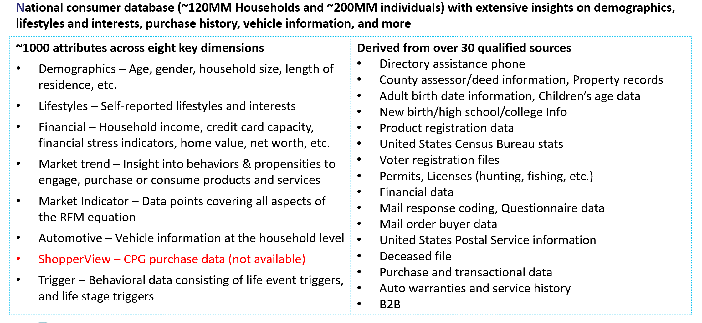
 | # | Sheet Name | Description | # of Attributes
 | 1 | Introduction | Information about Epsilon data | N/A
 | 2 | Attributes Index | List of all fields in Epsilon Table | N/A
 | 3 | Residence | Address related attributes | 21
 | 4 | Individual | Demographic informtion at individual level | 135
 | 5 | Geography | Geograpgic attributes (such as ZIP, DMA) | 14
 | 6 | Demographic | Demographic informtion at household level | 52
 | 7 | Financial | Household Financial informtion | 93
 | 8 | Market Indicator | RFM data broken into 5 buckets | 171
 | 9 | Market Trend | Epsilon modeled attributes | 349
 | 10 | Lifestyle | Lifestyle attributes (such as travel, sports) | 254
 | 11 | Automotive | Vehicle information | 18
 | 12 | Segmentation | Persona (Niches) and other segments | 11
 | 13 | Trigger | Life event triggers (such as graduate, new child) | 33
 | 14 | Miscellaneous | Seveal un-classified attributes | 3
 |  |  |  | 1,154

